EMAIL
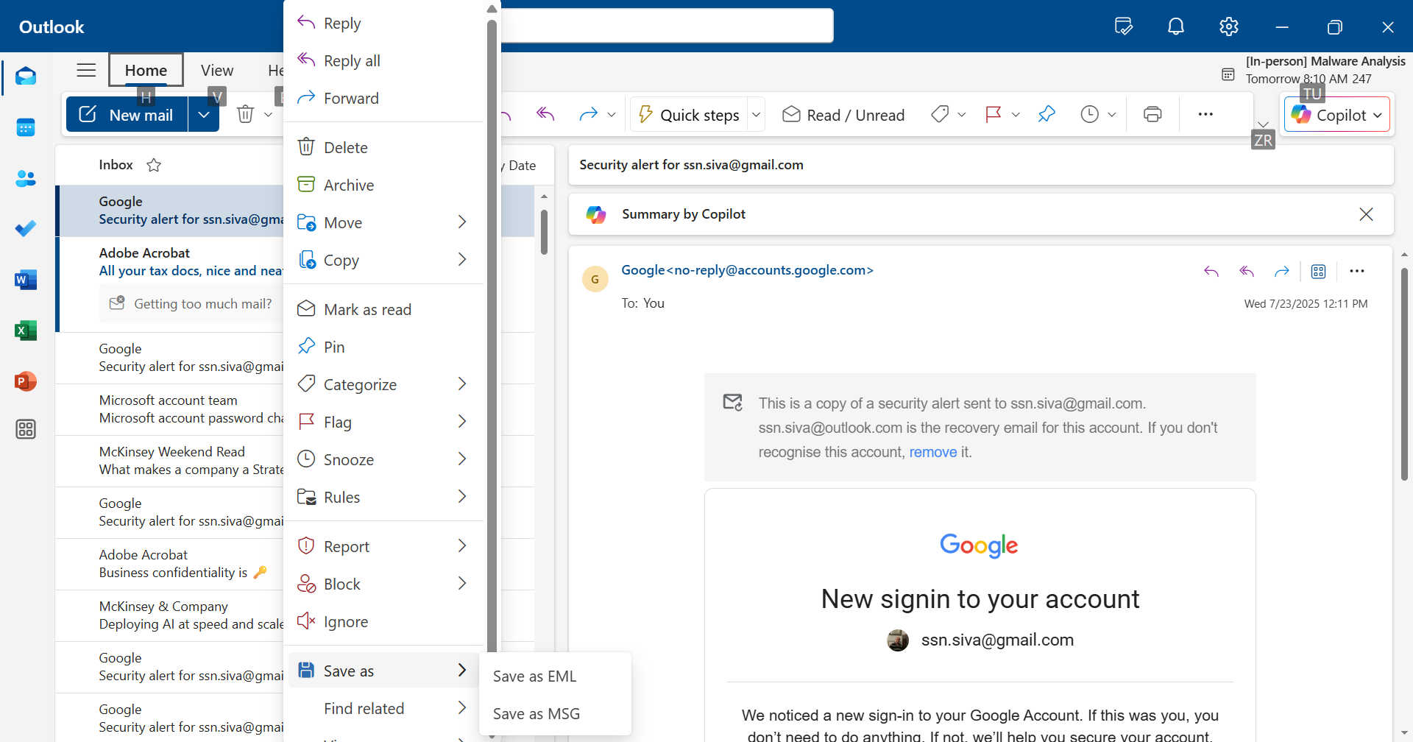
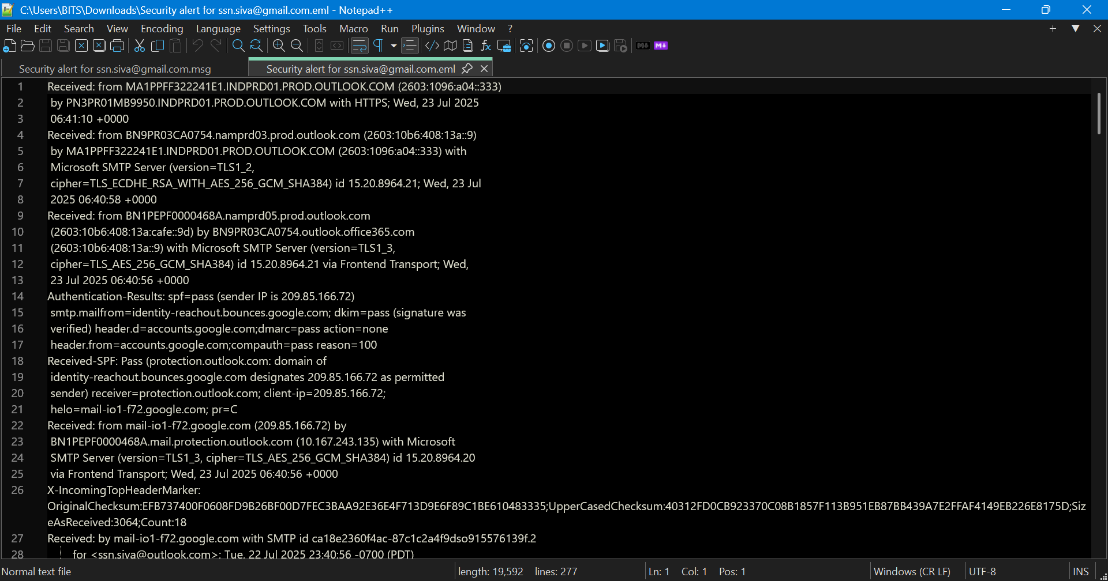
SAVE A EMAIL AS 'EML' FORMAT IN OUTLOOK.
USE NOTEPAD OR ANY OTHER TEXT EDITOR TO VIEW THE CONTENTS OF THE EMAIL

NSLOOKUP
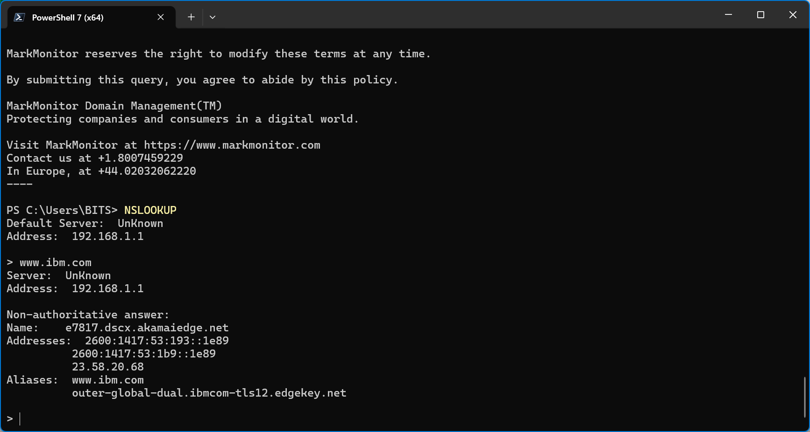
TYPE NSLOOKUP IN CMD PROMPT.
INSIDE NSLOOKUP TYPE THE NAME OF A WEBSITE LIKE 'WWW.IBM.COM'
ANALYSE THE RESULTS

WHOIS
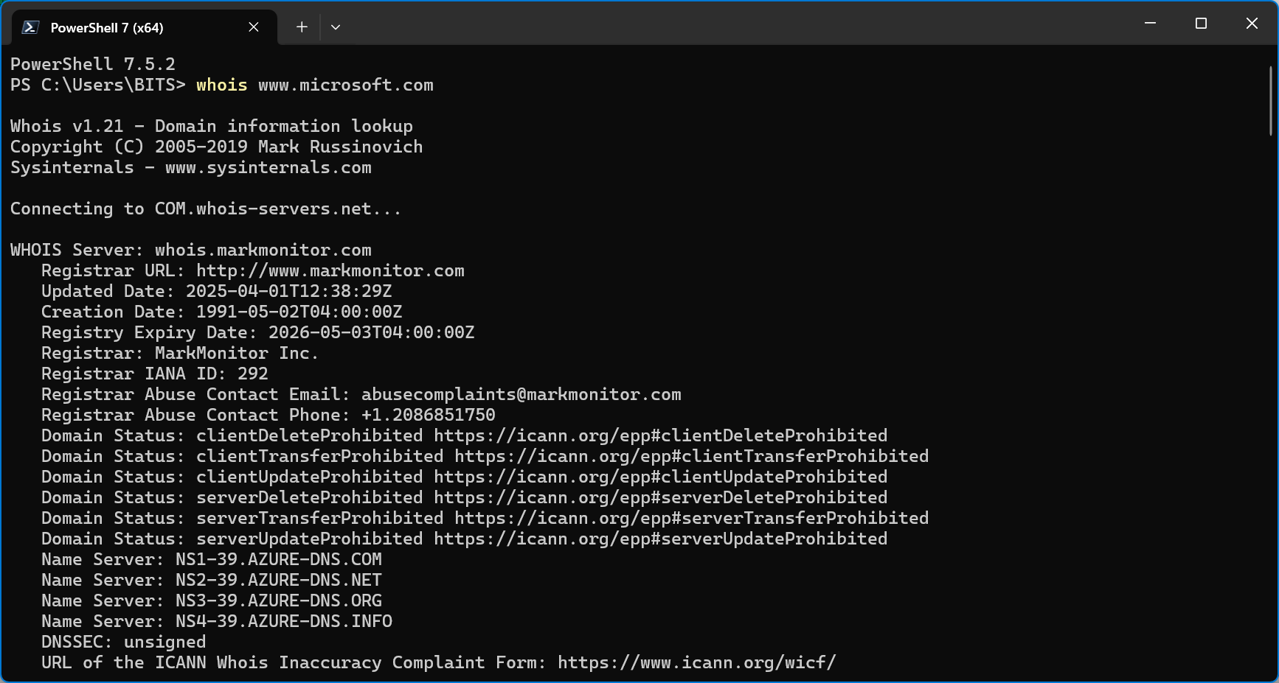
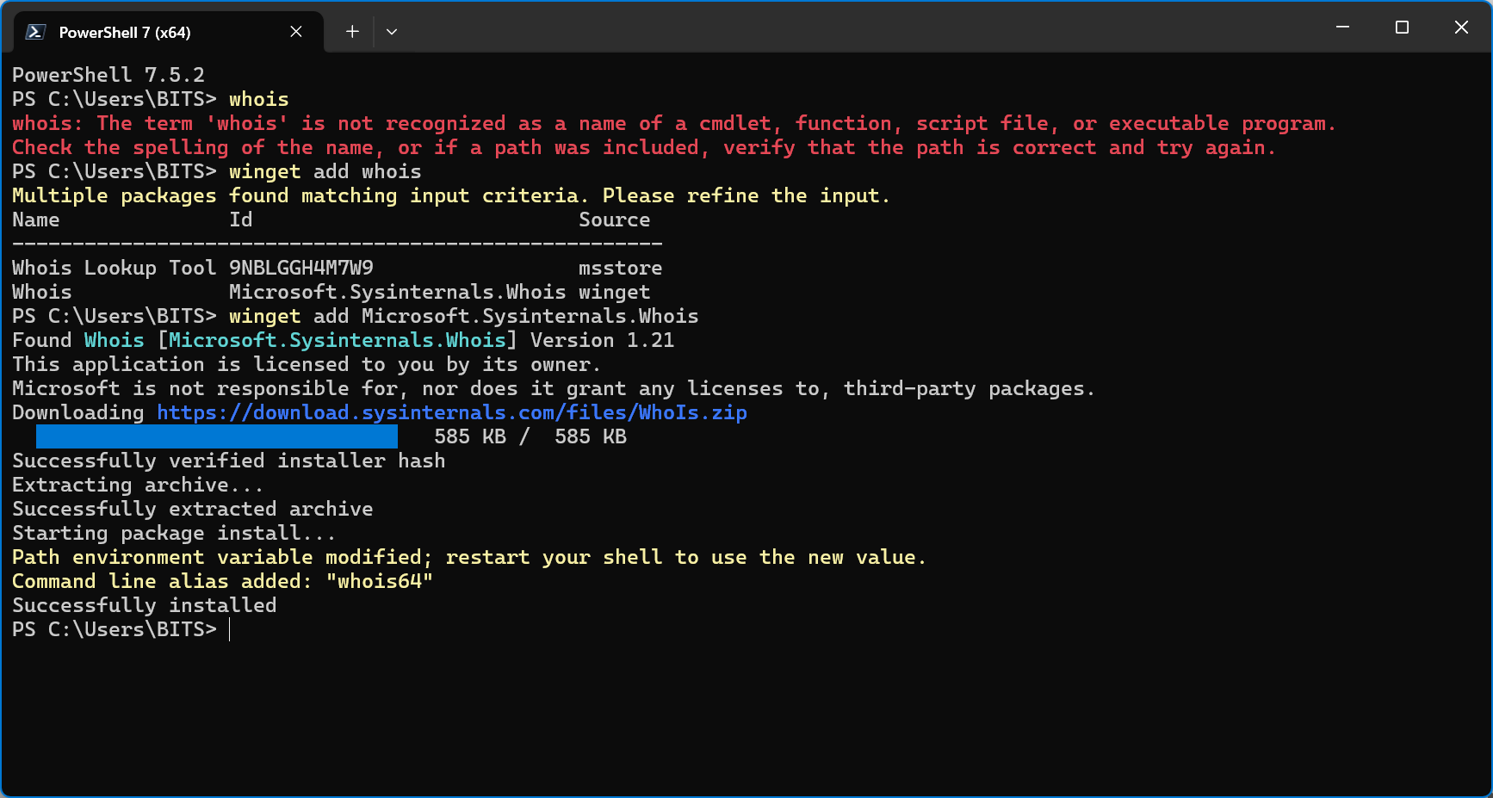

EXIT THE POWERSHELL LAUNCH POWERSHELL AGAIN AND TRY BELOW COMMAND WITH DIFFERENT WEBSITE AS ARGUMENTS.
RECORD THE RESULTS AND ANALYZE WHAT TYPE OF INFORMATION ARE AVAILABLE.

